Sheet1
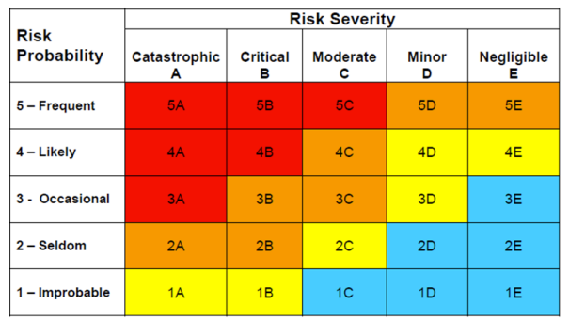
Asset or Operation at Risk | Hazard | Scenario | Opportunties for Prevention or Mitigation | Probability | Impacts with Existing Mitigation |  |  |  |  | Overall Hazard Rating
 |  |  |  |  | People | Property | Operations | Enviornmentment | Entity
Overall System | Explosion | Hydrogen Leak, normal operation | Sealant | Seldom | Catastrophic | Catastrophic | Catastrophic | Catasrophic | Catasrophic | 1D
Electrolysis | Electrocution | Short Circuit | Insulator | Seldom | Catastrophic | Negligible | Negligible | Negligible | Negligible | 1C
Electrolysis | Fire | Excess Oxygen | Planned Dispersion | Seldom | Critical | Critical | Moderate | Critical | Moderate | 1E
Electrolysis | Ozone | Ozone production | Capture | Improbable | Negligible | Negligible | Negligible | Critical | Critical | 1C
Heating Element | Burns | Contact with Heating Element | Warning Sign | Occasional | Moderate | Negligible | Negligible | Negligible | Minor | 2D

before mitigation
Asset or Operation at Risk | Hazard | Scenario | Opportunties for Prevention or Mitigation | Probability | Overall Hazard Rating
Overall System | Explosion | Hydrogen Leak, normal operation | Sealant | Seldom | 2B
Electrolysis | Electrocution | Short Circuit | Insulator | Seldom | 2C
Electrolysis | Fire | Excess Oxygen | Planned Dispersion | Seldom | 2B
Electrolysis | Ozone | Ozone production | Capture | Improbable | 1C
Heating Element | Burns | Contact with Heating Element | Warning Sign | Occasional | 3C

after mitigation
Asset or Operation at Risk | Hazard | Scenario | Probability | Overall Hazard Rating
Electrolysis | Electrocution | Short Circuit | Improbable | 1C
Electrolysis | Fire | Excess Oxygen | Improbable | 1E
Heating Element | Burns | Contact with Heating Element | Seldom | 2D

